Copy of 2017 Number properties
 | 2017 Number properties and operations
 | Question description | Question | Solution | Score and Description | Sample Responses | Incorrect answer - Student Response | Grade | Year | Block | Type | Difficulty | Percentage | Item Performance
x | Translate a percent to a fraction in context | 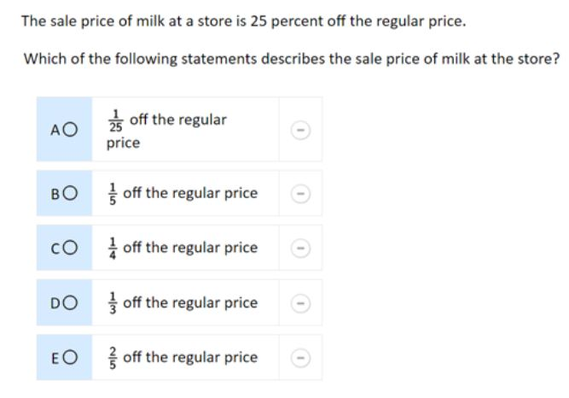 | The correct answer is: C. 1/4 off the regular price |  |  |  | 8 | 2017 | 8M3 | MC (Multiple Choice) | Easy | A: 22% B: 7% C: 65% (correct) D: 2% E: 3% Omitted: 1%

x | Find the product of two two-digit decimals | Multiply. 4.9 x 1.5 = | Sample Correct Response: Answer: 7.35 (or equivalent) | Correct: Answer of 7.35 | 4.9 x 1.5 = 7.25 This correct response shows an answer of 7.35. | Incorrect 1: Answer of 0.735, 73.5 or 735 Incorrect 2: Other incorrect responses Incorrect 1 - Student Response 1: 4.9 x 1.5 = 735 Incorrect 1 - Student Response 2: 4.9 x 1.5 = 73.5 These incorrect responses (incorrect 1) each indicate a product with a misplaced decimal. Incorrect 2 - Student Response 1: 4.9 x 1.5 = 6.95 Incorrect 2 - Student Response 2: 4.9 x 1.5 = 8.25 These incorrect responses (incorrect 2) each indicate a product other than 7.35, 0.735, 73.5, or 735. | 8 | 2017 | 8M3 | SCR (Short Constructed Response) | Medium | Correct: 47% Incorrect 1: 15% Incorrect 2: 37% Omitted: 1% Off task: rounds to zero

x | Calculate the price of an item after a percent discount (calculator available) | Jared wants to buy a jacket that has a price of $49.99. He has a coupon for a discount of 30 percent off the price of the jacket. What is the price of the jacket after the 30 percent discount? A. $14.99 B. $19.99 C. $34.99 D. $48.49 E. $49.89 | The correct answer is: C. $34.99 |  |  |  | 8 | 2017 | 8M9 | MC (Multiple Choice) | Medium | A: 22% B: 21% C: 47% (correct) D: 3% E: 6% Omitted: 1%

x | Arrange a given set of digits to obtain a product (calculator available) | 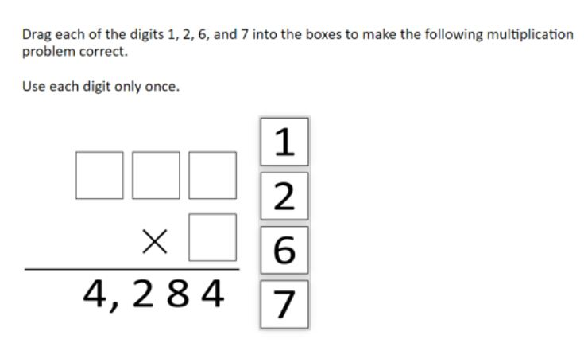 | 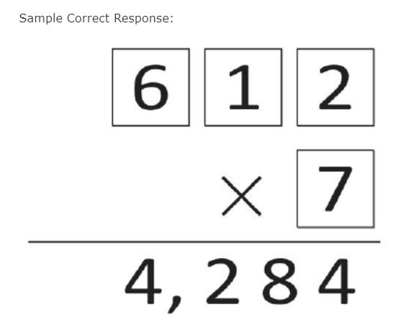 | Correct: Correct response | No student responses are available for this question. | Incorrect: Incorrect response | 8 | 2017 | 8M9 | SR (Selected Response) | Easy | Correct: 79% Incorrect: 20% Omitted: 1% Off task: rounds to zero

x | Use proportional reasoning to solve a problem in context (calculator available) | Sebastian is making lemonade. His recipe requires 750 grams of sugar to make 20 liters of lemonade. Sebastian wants to make 12 liters of lemonade. How many grams of sugar does Sebastian need to maintain the same ratio of sugar to lemonade as his recipe? A. 32 grams B. 450 grams C. 670 grams D. 1,250 grams E. 8,800 grams | The correct answer is: B. 450 grams |  |  | Incorrect: Incorrect response | 8 | 2017 | 8M9 | MC (Multiple Choice) | Hard | A: 10% B: 68% (correct) C: 13% D: 5% E: 2% Omitted: 1%

x | Find the midpoint between rational numbers on a number line (calculator available) | 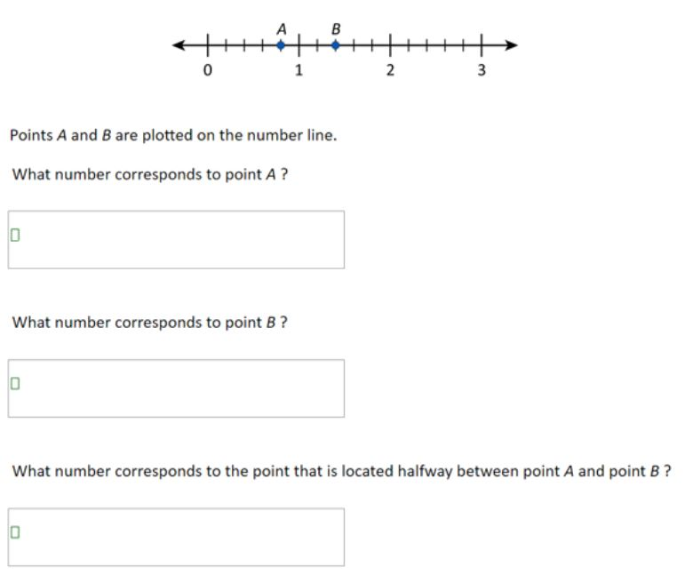 | Sample Correct Response: (a) Answer: 4/5 or 0.8 (or equivalent) (b) Answer: 1 2/5 or 1.4 (or equivalent) (c) Answer: 1 1/10 or 1.1 (or equivalent) | Correct: All three parts correct Partial: Two parts or one part correct. Or Part (c) correct based on incorrect answers in part (a) and/or part (b) | Correct - Student Response 1: What number corresponds to point A? .8 What number corresponds to point B? 1.4 What number corresponds to the point that is located halfway between point A and point B? 1.1 Correct - Student Response 2: What number corresponds to point A? 4/5 What number corresponds to point B? 1 2/5 What number corresponds to the point that is located halfway between point A and point B? 1 1/10 These correct responses each include an answer of 4/5 or equivalent for part (a), an answer of 1 2/5 or equivalent for part (b), and an answer of 1 1/10 or equivalent for part (c). Partial - Student Response 1: What number corresponds to point A? 0.8 What number corresponds to point B? 1.4 What number corresponds to the point that is located halfway between point A and point B? 1 Partial - Student Response 2: What number corresponds to point A? 0.90 What number corresponds to point B? 1.20 What number corresponds to the point that is located halfway between point A and point B? 1.05 These partially correct responses each include at least one correct part. The top response shows correct answers of 0.8 for part (a) and 1.4 for part (b) with an incorrect answer for part (c). The bottom response shows incorrect answers for part (a) and part (b) with a correct answer for part (c) based on those incorrect answers. | Incorrect: All three parts incorrect Incorrect - Student Response 1: What number corresponds to point A? 1 What number corresponds to point B? 1 What number corresponds to the point that is located halfway between point A and point B? 1 Incorrect - Student Response 2: What number corresponds to point A? .4 What number corresponds to point B? 1.2 What number corresponds to the point that is located halfway between point A and point B? 1 These incorrect responses include incorrect answers for all three parts. | 8 | 2017 | 8M9 | SCR (Short Constructed Response) | Hard | Correct: 27% Incorrect: 45% Partial: 25% Omitted: 2% Off task: rounds to zero

